Option
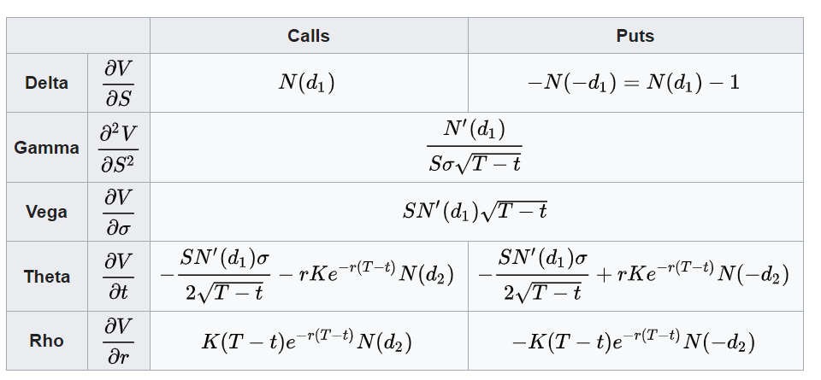
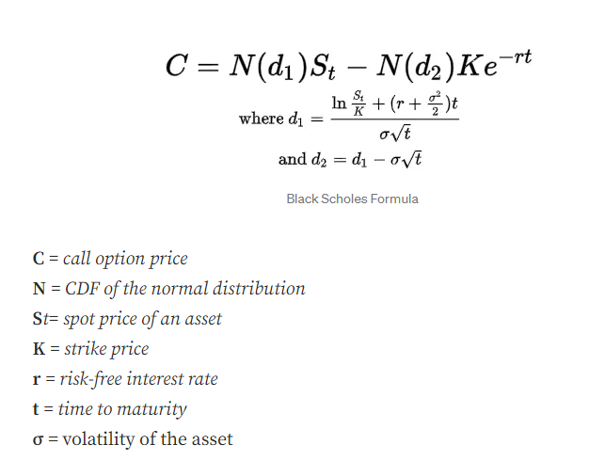
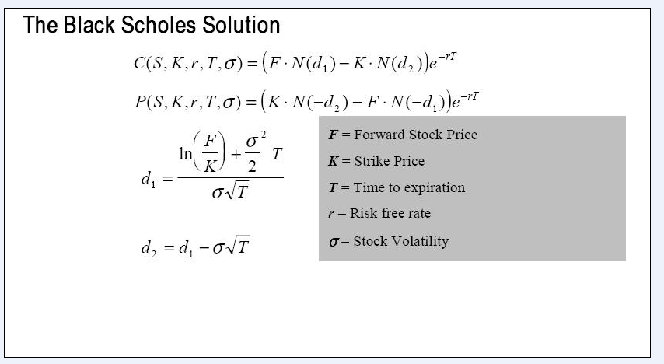
 | European Vanilla Call | base case
 | Trade date | 2024-11-23 |  | with spot price |  | with forward price
 | Expiry | 2025-05-10
 | S0 | 19
 | K (strike) | 17
 | Time to Expiry | 0.460
 | r | 0.5%
 | r_cont | 0.5%
 | Div yield (cont) | 0%
 | Vol | 0.3

 | F=forward stock price | 19.04367

with forward price | d1 | 0.65953
 | d2 | 0.45600

with spot price | d1 | 0.65953
 | d2 | 0.45600

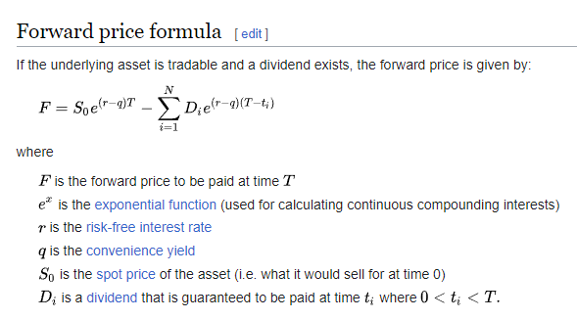
with forward price | Call | 2.70
with spot price | Call | 2.70

with forward price | Put | 0.66 | premium
with put-call parity | Put | 0.66

 |  |  |  |  | put- call parity

 |  |  |  |  | Greeks

